Sheet1
YearsExperience | Salary | Linear Regression
1.1 | 39343
1.3 | 46205
1.5 | 37731 | SUMMARY OUTPUT
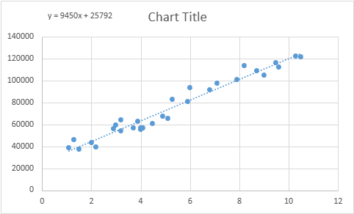
2 | 43525
2.2 | 39891 | Regression Statistics
2.9 | 56642 | Multiple R | 0.978241618
3 | 60150 | R Square | 0.956956664
3.2 | 54445 | Adjusted R Square | 0.955419402
3.2 | 64445 | Standard Error | 5788.315051
3.7 | 57189 | Observations | 30
3.9 | 63218
4 | 55794 | ANOVA
4 | 56957 |  | df | SS | MS | F | Significance F
4.1 | 57081 | Regression | 1 | 20856849300 | 20856849300 | 622.5072026 | 1.14E-20
4.5 | 61111 | Residual | 28 | 938128551.7 | 33504591.13
4.9 | 67938 | Total | 29 | 21794977852
5.1 | 66029
5.3 | 83088 |  | Coefficients | Standard Error | t Stat | P-value | Lower 95% | Upper 95% | Lower 95.0% | Upper 95.0%
5.9 | 81363 | Intercept | 25792 | 2273.053433 | 11.34693968 | 5.51E-12 | 21136.06131 | 30448.33908 | 21136.06131 | 30448.33908
6 | 93940 | X Variable 1 | 9450 | 378.7545742 | 24.95009424 | 1.14E-20 | 8674.118747 | 10225.8059 | 8674.118747 | 10225.8059
6.8 | 91738
7.1 | 98273
7.9 | 101302
8.2 | 113812 | RESIDUAL OUTPUT
8.7 | 109431
9 | 105582 | Observation | Predicted Y | Residuals
9.5 | 116969 | 1 | 36187.15875 | 3155.841248
9.6 | 112635 | 2 | 38077.15122 | 8127.848783
10.3 | 122391 | 3 | 39967.14368 | -2236.143681
10.5 | 121872 | 4 | 44692.12484 | -1167.124842
 |  | 5 | 46582.11731 | -6691.117306
 |  | 6 | 53197.09093 | 3444.909069
 |  | 7 | 54142.08716 | 6007.912837
 |  | 8 | 56032.07963 | -1587.079627
 |  | 9 | 56032.07963 | 8412.920373
 |  | 10 | 60757.06079 | -3568.060788
 |  | 11 | 62647.05325 | 570.9467477
 |  | 12 | 63592.04948 | -7798.049484
 |  | 13 | 63592.04948 | -6635.049484
 |  | 14 | 64537.04572 | -7456.045717
 |  | 15 | 68317.03065 | -7206.030645
 |  | 16 | 72097.01557 | -4159.015574
 |  | 17 | 73987.00804 | -7958.008038
 |  | 18 | 75877.0005 | 7210.999498
 |  | 19 | 81546.9779 | -183.9778953
 |  | 20 | 82491.97413 | 11448.02587
 |  | 21 | 90051.94398 | 1686.056015
 |  | 22 | 92886.93268 | 5386.067319
 |  | 23 | 100446.9025 | 855.0974618
 |  | 24 | 103281.8912 | 10530.10877
 |  | 25 | 108006.8724 | 1424.127605
 |  | 26 | 110841.8611 | -5259.861092
 |  | 27 | 115566.8423 | 1402.157748
 |  | 28 | 116511.8385 | -3876.838485
 |  | 29 | 123126.8121 | -735.8121097
 |  | 30 | 125016.8046 | -3144.804574

